Sheet1
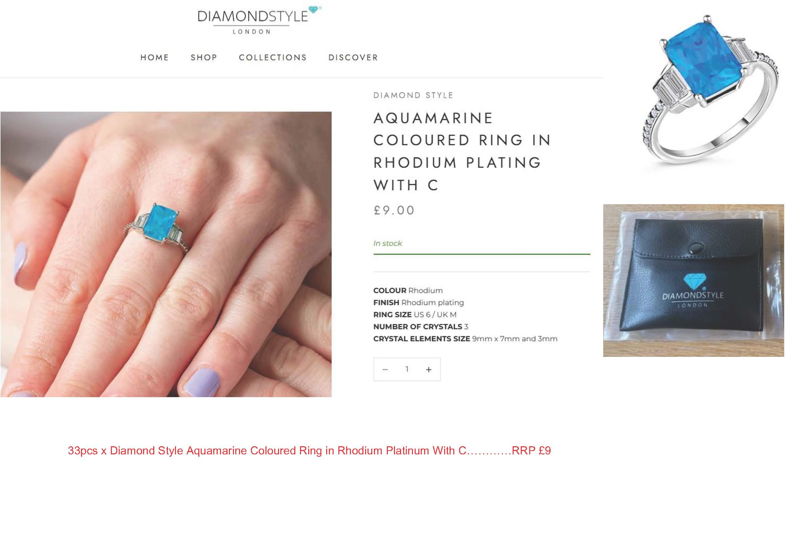
Image | Item Code | Item Name | Category | Units | RRP | Line RRP
 | ADALIZPEN | Adaliz Pendant | Necklace / Pendant | 4 | £11.00 | £44.00
 | AFFINITYRING(M) | Affinity Ring (Medium) | Rings | 21 | £9.00 | £189.00
 | AFFINITYRING(S) | Affinity Ring (Small) | Rings | 57 | £9.00 | £513.00
 | AFFINITYRINGGOLD(L) | Affinity Ring in Gold Plate (Large) | Rings | 11 | £9.00 | £99.00
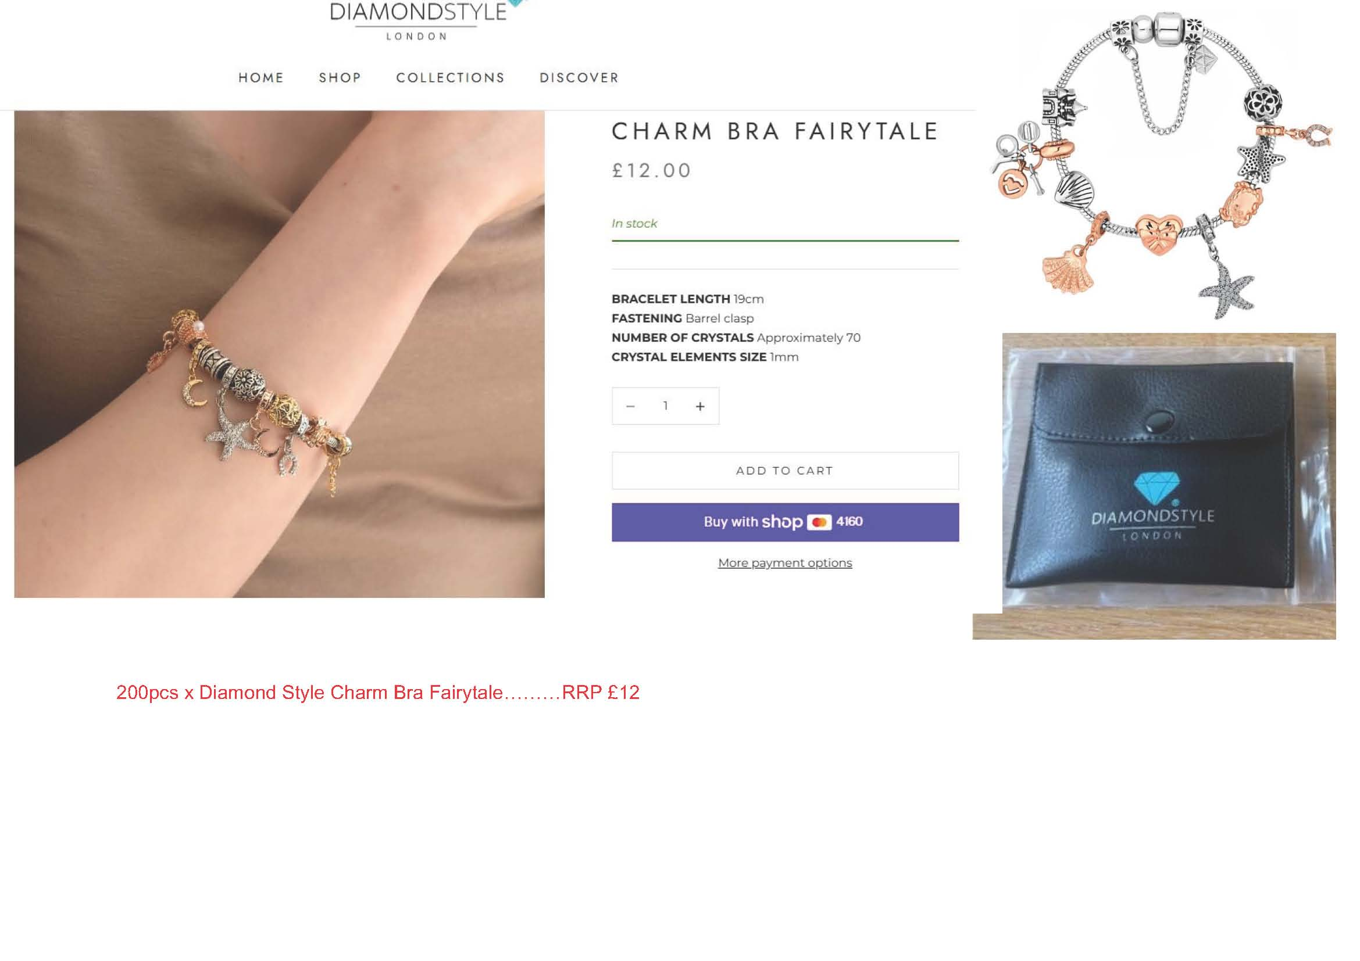
 | AFFINITYRINGGOLD(M) | Affinity Ring in Gold Plate (Medium) | Rings | 10 | £9.00 | £90.00
 | AFFINITYRINGGOLD(S) | Affinity Ring in Gold Plate (Small) | Rings | 17 | £9.00 | £153.00
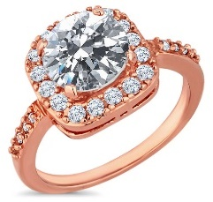 | AFFINITYRINGROSE(L) | Affinity Ring in Rose Gold Plate (Large) | Rings | 29 | £9.00 | £261.00
 | AFFINITYRINGROSE(M) | Affinity Ring in Rose Gold Plate (Medium) | Rings | 21 | £9.00 | £189.00
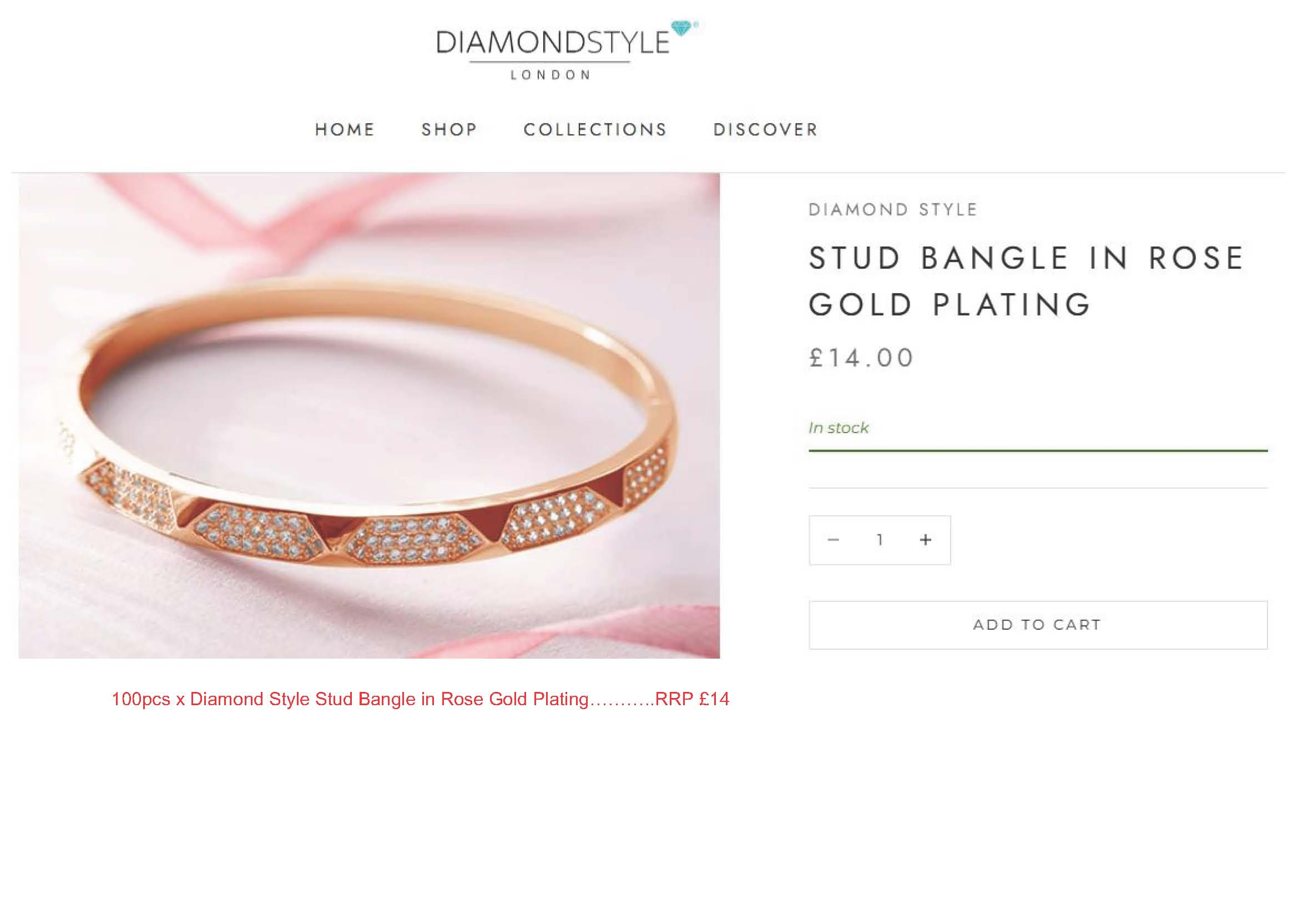
 | AFFINITYRINGROSE(S) | Affinity Ring in Rose Gold Plate (Small) | Rings | 31 | £9.00 | £279.00
 | ANCHORANKLET | Anchor Anklet | Anklet | 53 | £9.00 | £477.00
 | ANCHORBRA | Anchor Bracelet in Rhodium Plating | Bracelet | 9 | £9.00 | £81.00
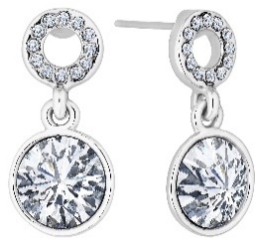 | ANGELICEARR | Angelic Drop Earrings | Earrings | 35 | £9.00 | £315.00
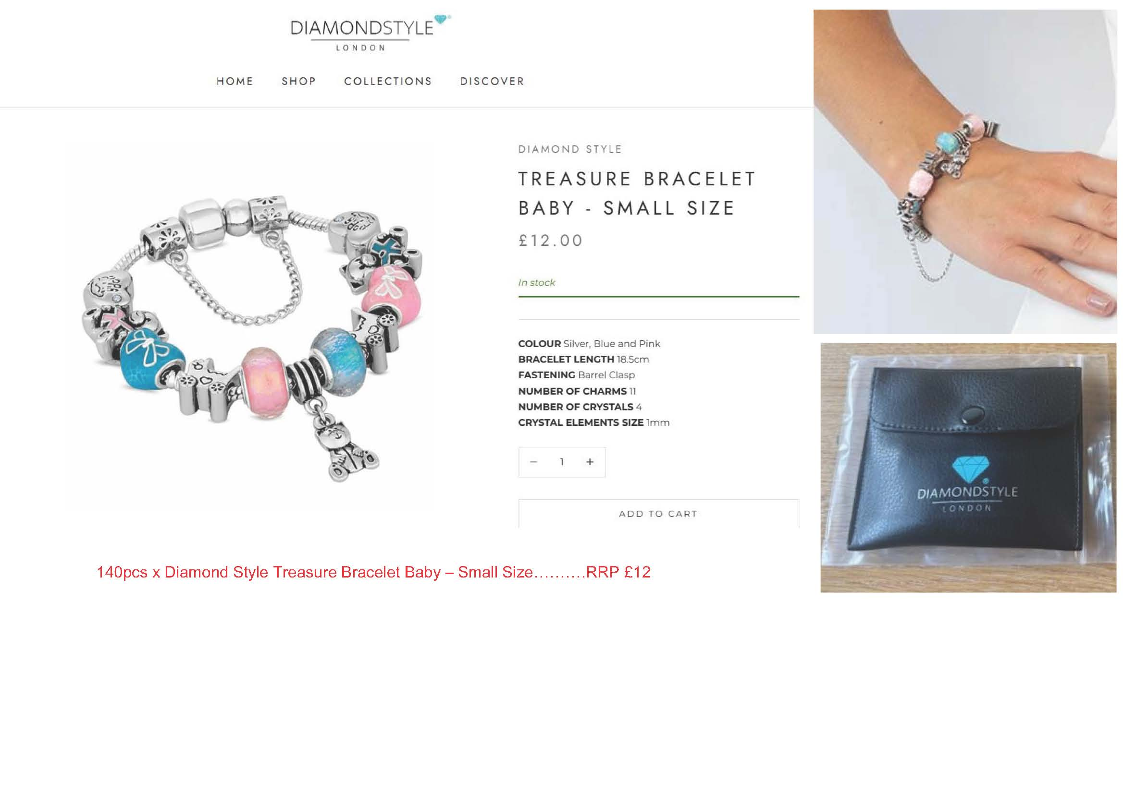
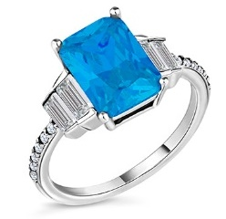 | AQUARING6 | Aquamarine coloured ring in rhodium plating with c | Rings | 33 | £9.00 | £297.00
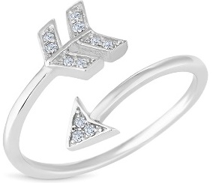 | ARROWRING | Arrow Ring | Rings | 39 | £9.00 | £351.00
 | ASTRALBLACK | Astral Bracelet in Jet Black | Bracelet | 9 | £9.00 | £81.00
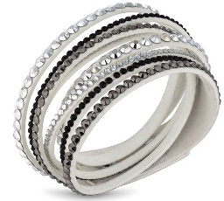 | ASTRALWHITE | Astral Bracelet in White | Bracelet | 11 | £9.00 | £99.00
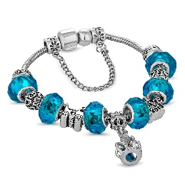 | AVABRALBLUE | Ava Bracelet in Light Blue | Bracelet | 11 | £11.00 | £121.00
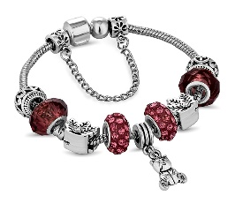 | AVABRAPINK | Ava Bracelet in Dusty Pink | Bracelet | 53 | £12.00 | £636.00
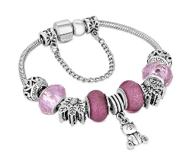 | AVABRAPINKSML | Ava Bracelet in Dusty Pink - Small Size | Bracelet | 400 | £11.00 | £4,400.00
 | AVABRAPURPSML | Ava Bracelet in Purple - Small Size | Bracelet | 140 | £11.00 | £1,540.00
 | AVABRARED | Ava Bracelet in Red | Bracelet | 800 | £11.00 | £8,800.00
 | AVABRAREDHEARTSML | Ava Bracelet in Red with Heart Charms in Gold Plat | Bracelet | 300 | £12.00 | £3,600.00
 | AVABRAREDSML | Ava Bracelet in Red - Small Size | Bracelet | 100 | £11.00 | £1,100.00
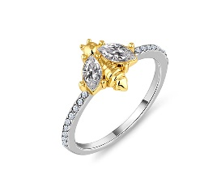 | BEERING7 | Bee ring in rhodium plating | Rings | 47 | £10.00 | £470.00
 | BLUERING6 | Oval cut blue ring with clear side stones in rhodi | Rings | 33 | £9.00 | £297.00
 | BOUEARR | Boutique Earring | Earrings | 19 | £9.00 | £171.00
 | CHAINBRAGOLD | Chain Bracelet in gold plating | Bracelet | 20 | £11.00 | £220.00
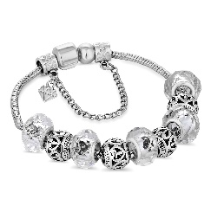 | CHARMBRA | Charm Bracelet with Clear Charms | Bracelet | 200 | £11.00 | £2,200.00
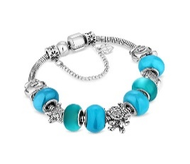 | CHARMBRABEACH | Charm Bracelet with Beach Charms and Pale Blue Bea | Bracelet | 140 | £12.00 | £1,680.00
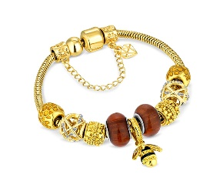 | CHARMBRABEEGOLD | Charm Bracelet with bee in gold | Bracelet | 200 | £12.00 | £2,400.00
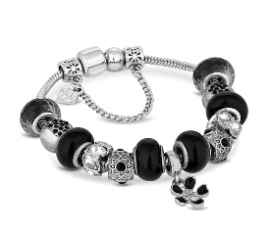 | CHARMBRABLACK | Charm Bracelet with Black Charms | Bracelet | 100 | £11.00 | £1,100.00
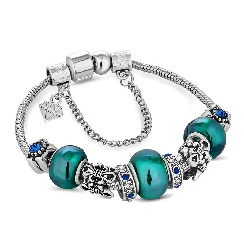 | CHARMBRABLUE | Charm Bracelet with Blue Charms | Bracelet | 100 | £11.00 | £1,100.00
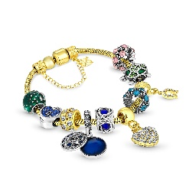 | CHARMBRACARNIVALGOLD | Charm bra carnival gold | Bracelet | 200 | £11.00 | £2,200.00
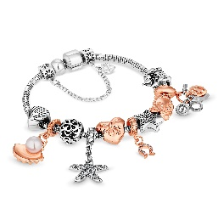 | CHARMBRAFAIRYTALE | Charm bra fairytale | Bracelet | 200 | £12.00 | £2,400.00
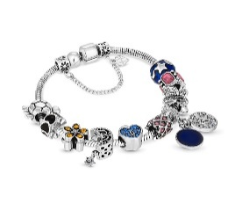 | CHARMBRAFIESTA | Charm bra fiesta | Bracelet | 300 | £12.00 | £3,600.00
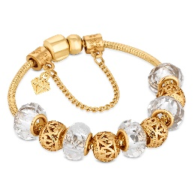 | CHARMBRAGOLD | Charm Bracelet with Gold Charms | Bracelet | 150 | £11.00 | £1,650.00
 | CHARMBRAGREEN | Charm Bracelet with Green Charms | Bracelet | 150 | £11.00 | £1,650.00
 | CHARMBRAHEARTGOLD | Charm bracelet with central heart and moon charms | Bracelet | 200 | £12.00 | £2,400.00
 | CHARMBRAHEARTSGOLD | Charm bra heart gold plating | Bracelet | 200 | £11.00 | £2,200.00
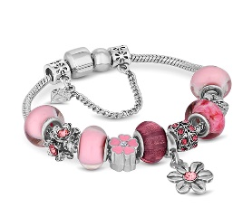 | CHARMBRALPINK | Charm Bracelet with Light Pink Charms | Bracelet | 27 | £11.00 | £297.00
 | CHARMBRAMOONGOLD | Charm bracelet with central star moon charms in go | Bracelet | 200 | £12.00 | £2,400.00
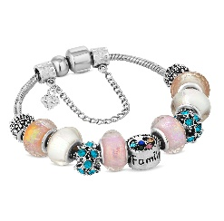 | CHARMBRAMULTI | Charm Bracelet with Multi Coloured Charms | Bracelet | 200 | £11.00 | £2,200.00
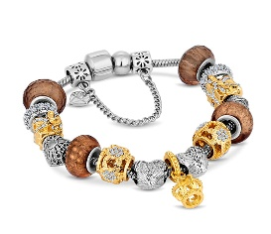 | CHARMBRAMXDMTL | Charm Bracelet with Mixed Metal Charms | Bracelet | 600 | £13.00 | £7,800.00
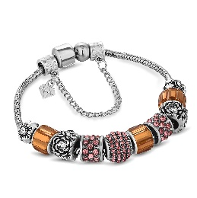 | CHARMBRAOCHRE | Charm Bracelet with Ochre Charms | Bracelet | 67 | £11.00 | £737.00
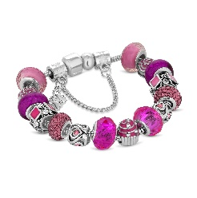 | CHARMBRAPINK | Charm Bracelet with Pink Charms | Bracelet | 200 | £11.00 | £2,200.00
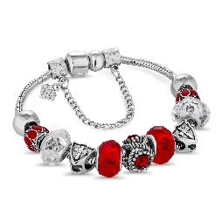 | CHARMBRARED | Charm Bracelet with Red Charms | Bracelet | 150 | £11.00 | £1,650.00
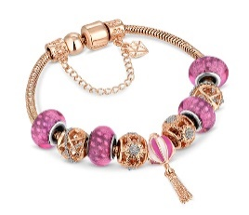 | CHARMBRAROSE | Charm Bracelet in Rose Gold | Bracelet | 200 | £11.00 | £2,200.00
 | CHARMBRAROYAL | Charm Bracelet with Royal Blue Charms | Bracelet | 140 | £12.00 | £1,680.00
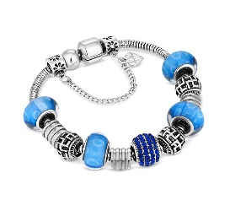 | CHARMBRAROYALCRYSTAL | Charm Bracelet With Royal Blue Beads and Crystals | Bracelet | 200 | £12.00 | £2,400.00
 | CHARMBRAROYALSTAR | Charm Bracelet with Royal Blue and Star Beads | Bracelet | 150 | £11.00 | £1,650.00
 | CHARMBRAS | Charm Bracelet on Solid Bangle | Bangle | 400 | £11.00 | £4,400.00
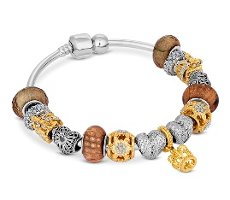 | CHARMBRASMXDMTL | Charm Bracelet with Mixed Metal Charms on Solid Ba | Bracelet | 400 | £11.00 | £4,400.00
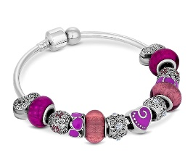 | CHARMBRASPURP | Charm Bracelet with Purple Charms on Solid Bangle | Bangle | 38 | £11.00 | £418.00
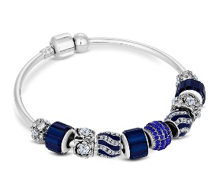 | CHARMBRASROYAL | Charm Bracelet with Royal Blue Charms on Solid Ban | Bracelet | 73 | £11.00 | £803.00
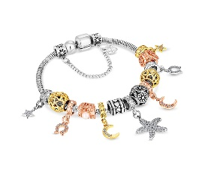 | CHARMBRASTAR | Charm Bracelet star in rhodium plating | Bracelet | 200 | £11.00 | £2,200.00
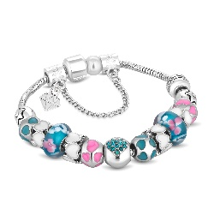 | CHARMBRATURQ | Charm Bracelet with Turquoise Charms | Bracelet | 59 | £11.00 | £649.00
 | CHARMBRAWHITE | Charm Bracelet with White Beads | Bracelet | 150 | £11.00 | £1,650.00
 | CHARMNECKMXDMTL | Charm Necklace in Mixed Metal | Necklace / Pendant | 100 | £11.00 | £1,100.00
 | CLOVERCRYSTALEARR | Clover Crystal Earrings in Rhodium Plating | Earrings | 33 | £10.00 | £330.00
 | CLOVERDROPEARR | Clover Drop Earrings in Silver | Earrings | 29 | £11.00 | £319.00
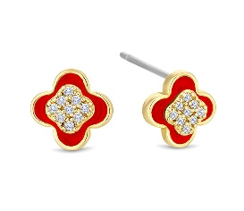 | CLOVEREARRREDGOLD | Clover earrings in yellow gold plating with red en | Earrings | 33 | £10.00 | £330.00
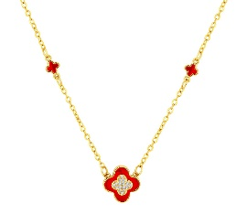 | CLOVERNECKREDGOLD | Clover necklace in yellow gold plating and red ena | Necklace / Pendant | 33 | £11.00 | £363.00
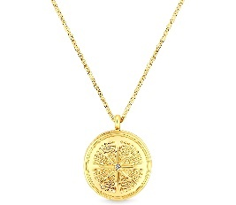 | COMPASSLOCKETGOLD | Compass locket gold | Necklace / Pendant | 20 | £12.00 | £240.00
 | CORALCUFF | Cuff Bracelet in Coral | Bracelet | 140 | £11.00 | £1,540.00
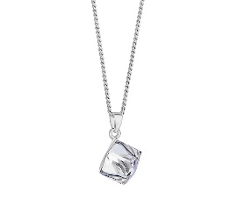 | CUBE0601 | Cube Pendant | Necklace / Pendant | 36 | £11.00 | £396.00
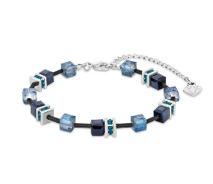 | CUBEBRABLACK | Cube Bracelet in Black | Bracelet | 400 | £10.00 | £4,000.00
 | CUBEBRABLUE | Cube Bracelet in Blue | Bracelet | 200 | £10.00 | £2,000.00
 | CUBEBRAPASTEL | Cube Bracelet in Pastel | Bracelet | 200 | £10.00 | £2,000.00
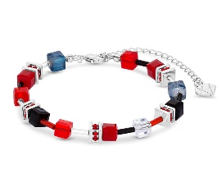 | CUBEBRARED | Cube Bracelet in Red | Bracelet | 140 | £10.00 | £1,400.00
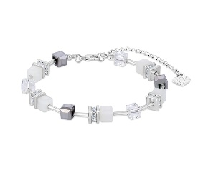 | CUBEBRAWHITE | Cube Bracelet in White | Bracelet | 200 | £10.00 | £2,000.00
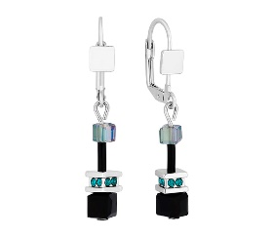 | CUBEEARRBLACK | Cube Earrings in Black | Earrings | 47 | £10.00 | £470.00
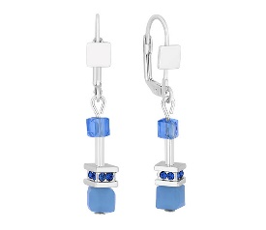 | CUBEEARRBLUE | Cube Earrings in Blue | Earrings | 33 | £10.00 | £330.00
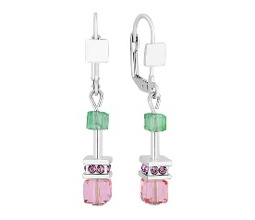 | CUBEEARRPASTEL | Cube Earrings in Pastel | Earrings | 150 | £11.00 | £1,650.00
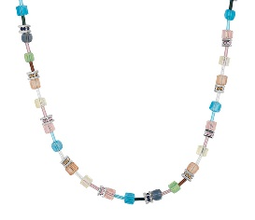 | CUBENECKPASTEL | Cube Necklace in Pastel | Necklace / Pendant | 13 | £12.00 | £156.00
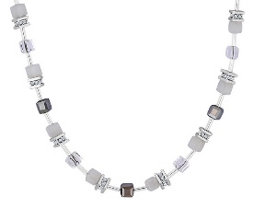 | CUBENECKWHITE | Cube Necklace in White | Necklace / Pendant | 100 | £12.00 | £1,200.00
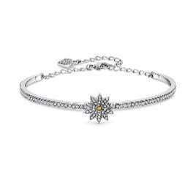 | DAISYBANGLE | Daisy bracelet in rhodium plating | Bracelet | 24 | £12.00 | £288.00
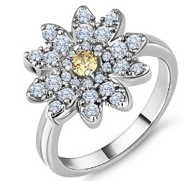 | DAISYRING6 | Daisy ring in rhodium plating | Rings | 33 | £10.00 | £330.00
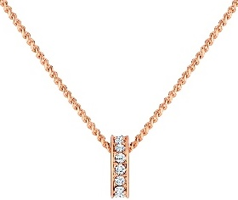 | DOMINOPENROSE | Domino Pendant in Rose Gold Plate | Necklace / Pendant | 100 | £11.00 | £1,100.00
 | DRAGONFLYBANGLE | Dragon fly bangle in rhodium plating | Bangle | 29 | £11.00 | £319.00
 | DUOBEEPENGOLD | Multi Charm Bee Pendant in Gold | Necklace / Pendant | 150 | £12.00 | £1,800.00
 | EMERALDRING6 | Emerald cut emerald ring in rhodium plating in siz | Rings | 23 | £10.00 | £230.00
 | ENTWINERINGGOLD | Entwine Ring in Gold | Rings | 150 | £10.00 | £1,500.00
 | ENTWINERINGROSE | Entwine Ring in rose gold plating | Rings | 34 | £10.00 | £340.00
 | EVILEYEBRA | Evil Eye Bracelet in Rhodium Plating | Bracelet | 20 | £8.00 | £160.00
 | FANBANGLE | Fan Bangle with crystals in rhodium plating | Bangle | 65 | £13.00 | £845.00
 | FANEARRROSE | Fan earrings in rose gold plating | Earrings | 63 | £9.00 | £567.00
 | FANPENCRYSTAL | Fan pendant with crystals in rhodium plating | Necklace / Pendant | 65 | £11.00 | £715.00
 | FANPENROSE | Fan pendant in rose gold plating | Necklace / Pendant | 64 | £11.00 | £704.00
 | FANRINGROSE6 | Fan ring in rose gold plating size 6 | Rings | 65 | £9.00 | £585.00
 | FANTASYBRAROSE | Fantasy Bracelet in Rose Gold Plating | Bracelet | 100 | £9.00 | £900.00
 | FANTASYEARROSE | Fantasy Earrings in Rose Gold Plating | Earrings | 43 | £9.00 | £387.00
 | FANTASYPENROSE | Fantasy Pendant in Rose Gold Plating | Necklace / Pendant | 53 | £11.00 | £583.00
 | FIESTAPEN | Fiesta Pendant | Necklace / Pendant | 27 | £11.00 | £297.00
 | GALAXYBRAGOLDMIX | Galaxy Bracelet with Gold Plated Charm | Bracelet | 66 | £11.00 | £726.00
 | GOLDCRYSTALPEN | Gold Crystal Pen | Pen | 20 | £6.00 | £120.00
 | GREENHALORING6 | Green halo ring in rhodium plating size 6 | Rings | 50 | £11.00 | £550.00
 | HAMSAANKLET | Hamsa Anklet | Anklet | 67 | £9.00 | £603.00
 | HAMSAPENGOLD | Hamsa Hand Pendant | Necklace / Pendant | 100 | £12.00 | £1,200.00
 | HEA0606 | Large Heart Pendant, Clear (AB) | Necklace / Pendant | 23 | £11.00 | £253.00
 | HEARTPENCRYSTALGOLD | Heart Pendant crystals in yellow gold plating | Necklace / Pendant | 38 | £11.00 | £418.00
 | HEARTRINGROSE | Heart Ring in Rose Gold plating size 6 | Rings | 17 | £9.00 | £153.00
 | HORIZONEARR | Horizon Earrings | Earrings | 41 | £9.00 | £369.00
 | HORNPENROSE | Horn Pendant in Rose Gold Plating | Necklace / Pendant | 27 | £12.00 | £324.00
 | HORSESHOEPENROSE | Multi Charm Horse Shoe Pendant in Rose | Necklace / Pendant | 43 | £11.00 | £473.00
 | HUMMINGBIRDPENGOLD | Hummingbird Pendant in yellow gold plating with cr | Necklace / Pendant | 55 | £11.00 | £605.00
 | ICONICLOCKETGOLD | Iconic locket gold | Necklace / Pendant | 24 | £12.00 | £288.00
 | INFINITYANKLGOLD | Gold Plated Infinity Anklet | Anklet | 28 | £9.00 | £252.00
 | INFINITYCUFFCRYSTAL | Infinity Cuff Bangle with Crystals in Rhodium Plat | Bangle | 33 | £12.00 | £396.00
 | INFINITYCUFFGOLD | Infinity Cuff Bangle in Gold Plating | Bangle | 45 | £12.00 | £540.00
 | INFINITYLARIATNECK | Infinity Lariat Necklace in Rhodium Plating | Necklace / Pendant | 100 | £12.00 | £1,200.00
 | INFINITYRING(S) | Infinity Ring (Small) | Rings | 26 | £9.00 | £234.00
 | INFINITYRINGGOLD(S) | Infinity Ring in Gold (Small) | Rings | 43 | £9.00 | £387.00
 | JAVALUX | Java Lux Bracelet in White Gold | Bracelet | 64 | £12.00 | £768.00
 | JAVALUXGOLD | Java Lux Bracelet in Gold | Bracelet | 33 | £12.00 | £396.00
 | JAVALUXROSE | Java Lux Bracelet in Rose Plating | Bracelet | 100 | £12.00 | £1,200.00
 | JAVAROSE | Java Bracelet in Rose Gold with Rose | Bracelet | 23 | £11.00 | £253.00
 | KEYPEN | Key Pendant | Necklace / Pendant | 44 | £11.00 | £484.00
 | KEYPENBLUE | Key Pendant with Blue Crystals | Necklace / Pendant | 150 | £11.00 | £1,650.00
 | LILYNECKGOLD | Lily Necklace in Gold Plating | Necklace / Pendant | 18 | £10.00 | £180.00
 | LOCKANDKEYPEN | Lock and Key Pendant in Rhodium Plating | Necklace / Pendant | 33 | £12.00 | £396.00
 | LOVELANGUAGEBANGLEGOLD | Love Language Bangle in Gold Plating | Bangle | 61 | £65.00 | £3,965.00
 | MEGHANEARR | Meghan Earrings with Crystals | Earrings | 58 | £9.00 | £522.00
 | MULTICUFF | Multi cuff Bracelet | Bracelet | 20 | £11.00 | £220.00
 | MULTIEYEPEN | Multi Charm Evil Eye Pendant | Necklace / Pendant | 33 | £11.00 | £363.00
 | MULTIHAMSAPENROSE | Multi Charm Hamsa Hand Pendant in Rose | Necklace / Pendant | 20 | £12.00 | £240.00
 | NAILRINGROSE6 | Nail Ring in Rose Gold Plating | Rings | 64 | £10.00 | £640.00
 | OPALPEN | Opal Pendant in Rhodium Plating with Crystals | Necklace / Pendant | 17 | £11.00 | £187.00
 | OPENHEARTBRA | Open Heart Bracelet | Bracelet | 35 | £9.00 | £315.00
 | PEARDROPBARNECKLACE | Pear Drop Bar Necklace | Necklace / Pendant | 44 | £11.00 | £484.00
 | PEARLBANGLE | Pearl bangle plated in rhodium | Bangle | 15 | £11.00 | £165.00
 | PEARLCLOVERBRAGOLD | Pearl Clover Bracelet in Gold Plating | Bracelet | 27 | £12.00 | £324.00
 | PEARLCLOVERPENGOLD | Pearl Clover Pendant in Gold plating | Necklace / Pendant | 40 | £12.00 | £480.00
 | PIGPEN | Chinese Year of the Pig pendant | Necklace / Pendant | 21 | £10.00 | £210.00
 | POLARISPEN | Polaris Pendant | Necklace / Pendant | 13 | £11.00 | £143.00
 | PRIHEAPEN | Princess Heart Pendant | Necklace / Pendant | 19 | £11.00 | £209.00
 | REVERSEFLOWERNECKROSE | Reverse Flower Necklace with Crystals in rose gold | Necklace / Pendant | 69 | £11.00 | £759.00
 | ROSEBARNECKLACE | Rose Bar Layered Necklace | Necklace / Pendant | 41 | £12.00 | £492.00
 | ROUNDPENSMLGOLD | Round Pendant Small with Red enamel in yellow gold | Necklace / Pendant | 65 | £11.00 | £715.00
 | RUBYRINGGOLD6 | Ruby oval ring with clear side stones in yellow go | Rings | 47 | £9.00 | £423.00
 | SENTIMENTPEN | Sentiment Pendant | Necklace / Pendant | 63 | £11.00 | £693.00
 | SHOOTINGSTARNECK | Shooting Star Necklace in gold and rhodium plating | Necklace / Pendant | 19 | £11.00 | £209.00
 | STACKERBRACRYSTALGOLD | Stacker bra crystal gold bracelet | Bracelet | 59 | £9.00 | £531.00
 | STACKERBRAEVILEYE | Stacker Magnetic Bracelet with Evil Eye Charm | Bracelet | 41 | £9.00 | £369.00
 | STACKERBRAHAMSAHAND | Stacker Magnetic Bracelet with Hamsa Hand Charm | Bracelet | 51 | £9.00 | £459.00
 | STACKERBRAHEART | Stacker Magnetic Bracelet with Heart Charm | Bracelet | 31 | £9.00 | £279.00
 | STACKERBRAINFINITY | Stacker Magnetic Bracelet with Infinity Charm | Bracelet | 31 | £9.00 | £279.00
 | STACKERBRAMOON | Stacker bra bracelet moon | Bracelet | 63 | £9.00 | £567.00
 | STACKERBRASINGLEHEART | Stacker bra single heart bracelet | Bracelet | 59 | £9.00 | £531.00
 | STARBURSTRING6 | Starburst ring | Rings | 20 | £10.00 | £200.00
 | STARDROPBARNECKLACE | Star Drop Bar Necklace | Necklace / Pendant | 32 | £11.00 | £352.00
 | STARLARIATNECK | Star Lariat Necklace with Crystals | Necklace / Pendant | 69 | £12.00 | £828.00
 | STARPEARLPEN | Star Pearl Pendant in Rhodium Plating | Necklace / Pendant | 53 | £11.00 | £583.00
 | STUDBANGLEROSE | Stud bangle in rose gold plating | Bangle | 100 | £14.00 | £1,400.00
 | TBANGLEGOLDP | T Bangle Gold | Bangle | 15 | £11.00 | £165.00
 | TREASUREBRABABYSML | Treasure Bracelet Baby - Small Size | Bracelet | 140 | £12.00 | £1,680.00
...

